NRCC Headers
 | User input | auto calculated | From another Table |  | From look up table

Heading First Page Only
STATE OF CALIFORNIA
Domestic Water Heating System
NRCC-PLB-E (Created XX/XX) |  |  |  | CALIFORNIA ENERGY COMMISSION
CERTIFICATE OF COMPLIANCE |  |  |  |  | NRCC-PLB-E
This document is used to demonstrate compliance for nonresidential occupancies with requirements in §110.1, §110.3, §120.3, and §140.5, and with requirements in §141.0 for additions and alterations, for domestic water heating scopes using the prescriptive path. For high-rise residential and hotel/motel occupancies, compliance is demonstrated with requirements in §110.1, §110.3, §160.4 and §170.2(d) §120.3, §150.0 and §150.1(c)8, and with requirements in §150.2 §180.1 for additions and §180.2 for alterations.
Project Name: |  |  |  | Report Page: | Page 1 of ??
Project Address: |  |  |  | Date Prepared:

Heading All Other Pages
STATE OF CALIFORNIA
Domestic Water Heating System
NRCC-PLB-E (Created XX/XX) |  |  |  | CALIFORNIA ENERGY COMMISSION
CERTIFICATE OF COMPLIANCE |  |  |  |  | NRCC-PLB-E
Project Name: |  |  |  | Report Page: | Page 2 of ??
Footer All Pages
Project Address: |  |  |  | Date Prepared:

CA Building Energy Efficiency Standards - 201922 Nonresidential Compliance: http://www.energy.ca.gov/title24/2019standards

LMCC Headers
 | User input | auto calculated | From another Table |  | From look up table

Heading First Page Only
STATE OF CALIFORNIA
Domestic Water Heating System
LMCC-PLB-01-E (Created XX/XX) |  |  |  | CALIFORNIA ENERGY COMMISSION
CERTIFICATE OF COMPLIANCE |  |  |  |  | LMCC-PLB-01-E
This document is used to demonstrate compliance for nonresidential occupancies with requirements in §110.1, §110.3, §120.3, and §140.5, and with requirements in §141.0 for additions and alterations, for domestic water heating scopes systems serving nonresidential occupancies within low-rise mixed use buildings using the prescriptive path. For high-rise low-rise residential and hotel/motel occupancies, compliance is demonstrated with requirements in §110.1, §110.3, §160.4 and §170.2(d) §120.3, §150.0 and §150.1(c)8, and with requirements in §150.2 §180.1 for additions and §180.2 for alterations.
Project Name: |  |  |  | Report Page: | Page 1 of ??
Project Address: |  |  |  | Date Prepared:

Heading All Other Pages
STATE OF CALIFORNIA
Domestic Water Heating System
LMCC-PLB-01-E (Created XX/XX) |  |  |  | CALIFORNIA ENERGY COMMISSION
CERTIFICATE OF COMPLIANCE |  |  |  |  | LMCC-PLB-01-E
Project Name: |  |  |  | Report Page: | Page 2 of ??
Footer All Pages
Project Address: |  |  |  | Date Prepared:

CA Building Energy Efficiency Standards - 201922 Nonresidential Compliance: http://www.energy.ca.gov/title24/2019standards

F. Equipment
F. DOMESTIC HOT WATER EQUIPMENT
Table Instructions: Complete the following table to demonstrate compliance with mandatory equipment requirements in §110.1 and §110.3. For high-rise residential and hotel/motel occupancies, cCompliance with prescriptive requirements in §150.1(c)8 §140.5(c)/§170.2(d) must also be demonstrated and with §150.2 §141.0/§180.1/§180.2 for addition and alteration scopes.
Equipment Schedule: Individual Systems
01 | 02 |  | 03 | 04 | 05 | 06
Name or Item Tag | Equipment Type |  | Volume (gal) | Max GPM/ First Hour Rating (FHR) | Rated Uniform Energy Factor (UEF) | Minimum Required Uniform Energy Factor (UEF)1
 | See dropdown |  | See dropdown | See dropdown |  | Ben, values come from CEC Water Heater Efficiency Guide, screenshot below in blue
1 FOOTNOTE: Compliant equipment may be found in the Modernized Appliance Efficiency Database System (MAEDBS) on the Energy Commission website: https://cacertappliances.energy.ca.gov/Pages/Search/AdvancedSearch.aspx |  |  |  |  |  | Reset Table | Add Row | Remove Last

Equipment Schedule: Central Systems Water Heater Efficiency and Standby Loss
03 |  | 04 |  |  | 05 |  | 06
System Name: |  | Exception to §140.5(c)/§170.2(d)3: |  | dropdown | ¨ | Capacity-weight efficiencies for gas systems >= 1MMBtu/h1 | Capacity-weighted Average Efficiency (%) | Note: this is a calculated field per the comment
07 | 08 | 09 | 10 |  | 11 | 12 | 13 | 14 | 15
Name or Item Tag | Equipment Type | Volume (gal) | Rated Input Capacity (Btu/h) | Max GPM/ First Hour Rating (FHR) | Rated Efficiency (%) | Minimum Efficiency Required (%) | Efficiency Unit | Designed Standby Loss | Maximum Standby Loss
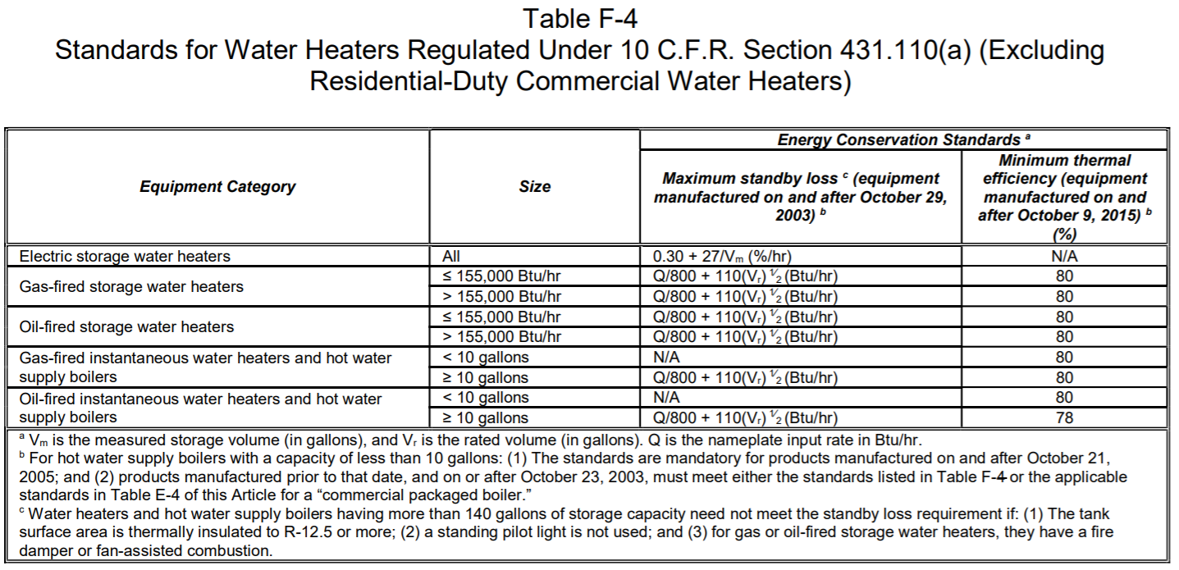
 | See dropdown |  |  | See Dropdown |  | Ben, values come from Table F-4 OR Table 110.2-KJ OR S140.5(c) (see column P) depending on column 08 |  |  | See Table F-4 in column P
1 FOOTNOTE: In systems >= 1MMBtu/h with multiple units, gas water heaters with input capacity > 100,000 Btu/h may meet the 90% Et requirement via an input capacity-weighted average. |  |  |  |  |  | Add System | Add Water Heater | Remove Last
2 FOOTNOTE: Compliant equipment may be found in the Modernized Appliance Efficiency Database System (MAEDBS) on the Energy Commission website: https://cacertappliances.energy.ca.gov/Pages/Search/AdvancedSearch.aspx
 |  |  | Exception Dropdown
 |  |  | 25% of the annual service water-heating requirement is provided by site-solar energy or site-recovered energy.
 |  |  | Adding gas SWH system >= 1MMBtu/h input capacity to existing building
 |  |  | Heat pump system serves multifamily dwelling units only (§170.2(d)2)
 |  |  | Gas system serves multifamily dwelling units only in CZ 10-16
 |  |  | Exceptions Do Not Apply
Water Heating Equipment in Individual Dwelling Units1
Equipment Type (select all that apply):
16 | ¨ | Gas/propane instantaneous water heater with input rating ≤ 200,000 BTUH and no storage tank. Note: Can not comply using the prescriptive path with a storage tank per §150.1(c)8Ai §170.2(d)1C (New Construction and Additions Only)
 | ¨ | A single 240 volt heat pump water heater serving the dwelling unit. (New Construction and Additions Only) Gas/propane storage type water heater with input rating ≤ 75,000 BTUH
 |  | ¨ | Rated volume ≤ 55 gal
 |  | ¨ | Rated volume > 55 gal
 | ¨ | A single heat pump water heater with storage tank located in the garage or conditioned space. (New Construction Only) that meets the requirements of NEEA Advanced Water Heater Specification Tier 3 or higher.
 |  | ¨ | Water heater meets the requirements of NEEA Advanced Water Heater Specification Tier 3 or higher.
 | ¨ | A single heat pump water heater with storage tank located in the garage or conditioned space and be placed on an incompressible, rigid insulated surface with minimum R-10. The water heater shall be installed with a communication interface that meets either the requirements of 110.12(a) or has a ANSI/CTA-2045-B communication port . (Alterations in climate zones 1-15 Only)
 |  | ¨ | Water heater meets the requirements of NEEA Advanced Water Heater Specification Tier 3 or higher.
 | ¨ | No gas connection to existing water heater location for replacement water heater. If the existing water heater is an electric resistance water heater, a consumer electric water heater. Consumer electric water heater must meet Title 20 Appliance Efficiency requirements (see Equipment Schedule above) per §150.2(b)1H. (Alterations only)
 | ¨ | Replacement or altered gas or propane water heater (Alterations only)
17 | Yes | No | Not Applicable | Requirement
 | ¨ | ¨ | ¨ | For gas or propane water heaters serving individual dwelling units, the follow components are included in the design per §150.0(n)1 §160.4: (New Construction and Additions only) - Dedicated 125V, 20 amp electrical receptacle that is connected to the panel with a 120/240V 3 conductor, 10 AWG copper branch circuit within 3 ft from the water heater that's accessible and with both ends of the unused conductor labeled with the word "spare" and be electrically isolated. A single pole circuit breaker space in the panel adjacent to the circuit breaker for the branch circuit is provided labeled with the word "future 240V use"; and - Category III or IV vent, or Type B vent with straight pipe between the outside termination and where the water heater is installed; and - Condensate drain that is no more than 2in higher than the base of the water heater and drains without pump assistance; and - Gas supply line with a capacity of at least 200,000 BTUH
1 FOOTNOTE: Dwelling units refers to hotel/ motel guest rooms and units in a high-rise multifamily residential occupancy.

Water Heating Equipment All Occupancies
 | Yes | No | Not Applicable | Requirement
18 | ¨ | ¨ | ¨ | Unfired storage tank insulation shall have Internal + External ≥ R-16 OR External ≥ R-12 3.5. Label required per §110.3(c)3
19 | ¨ | ¨ | ¨ | New state buildings 60% of energy for service water heating from site solar energy or recovered energy per §110.3(c)5 |  |  |  |  |  |  | << Applies to 300kBtu/h - <1MMBtu/h
20 | ¨ | ¨ | ¨ | Isolation valves for instantaneous water heater with input rating > 6.8 kBTUH or 2 kW has been specified per §110.3(c)6 |  |  |  |  |  |  | << Applies to >= 1MMBtu/h if exception selected in col 05
21 | ¨ | ¨ | ¨ | School buildings < 25,000ft2 and < 4 stories must install a heat pump water heating system per §140.5(a)1. Water heating systems serving an individual bathroom space may be an instantaneous electric water heater.

Water Heating Equipment for Central Systems Serving Dwelling Units §170.2(d)2&3
Equipment Type (select all that apply):
22 | ¨ | Heat pump Water Heater (New Construction and Additions Only) |  |  |  |  |  |  |  | S140.5(c)
 |  | ¨ | For systems with single pass primary heat pump water heater, the primary thermal storage tanks shall be piped in series if multiple tanks are used. For systems with multi-pass primary heat pump water heater, the primary thermal storage tanks shall be piped in parallel if multiple tanks are used. |  |  |  |  |  |  |  | << 90% Et applies to >= 1MMBtu/h if "Exception does not apply" selected in col 05
 |  | ¨ | The primary storage tank temperature setpoint shall be at least 135°F.
 |  | ¨ | The recirculation loop tank temperature setpoint shall be at least 10°F lower than the primary thermal storage tank temperature setpoint such that hot water from the recirculation loop tank is used for the temperature maintenance load before engaging the recirculation loop tank heater.
 |  | ¨ | The minimum heat pump water heater compressor cut-off temperature shall be equal to or lower than 40°F ambient air temperature.
 |  | ¨ | Design documentation shall specify the operating conditions at which the primary heat pump water heater can supply hot water at design outlet water temperature without engaging auxiliary heating mechanism.
 | ¨ | Gas/propane water heater (New Construction and Additions Only)
 |  | ¨ | A solar water-heating system meeting the installation criteria specified in Reference Residential Appendix RA4 and with a minimum solar savings fraction of 0.20 in Climate Zones 1 through 9 or a minimum solar savings fraction of 0.35 in Climate Zones 10 through 16. This system should be documented on the NRCC-SAB form OR;
 |  | ¨ | A solar water-heating system meeting the installation criteria specified in Reference Residential Appendix RA4 and with a minimum solar savings fraction of 0.30 in Climate Zones 10 through 16. This system should be documented on the NRCC-SAB form. AND, a drain water heat recovery system that is field verified as specified in the Reference Appendix RA3.6.9.

 | Equipment Type Dropdown for Column 08 |  | Volume Dropdown for Column 03 | Max/ FHR Dropdown (Col 04)
UEF requirements from Water Heater Efficiency Guide | Consumer Rated Gas-Fired Instantaneous (50,000-200,000 BTUH) |  | < 2 | 0 < GPM <1.7
 | Consumer Rated Gas-Fired Storage (< 75,000 BTUH) |  | Volume Dropdown for Column 03 | 1.7 < GPM <2.8
 | Residential-Duty Commercial Gas-Fired Storage (75,000-105,000 BTUH) |  | <30 | 2.8 < GPM < 4.0
 | Consumer Rated Electric Instantaneous (<12kW) |  | 31-40 | GPM > 4.0
 | Residential-Duty Commercial Electric Instantaneous (12-58.6kW) |  | 41-50 | Max/ FHR Dropdown (Col 04)
 | Consumer Rated Electric Storage |  | 51-55 | 0 < FHR < 18
 | Consumer Rated Electric Tabletop Water Heater |  | 56-60 | 18 < FHR < 51
 | Replacement with Heat Pump Water Heater |  | 61-75 | 51 < FHR < 75
Table F-4 | Commercial Gas Storage Water Heater |  | >75 | FHR > 75
 | Commercial Gas Instantaneous Water Heater |  | Volume Dropdown for Column 03
 | Commercial Gas Hot Water Supply Boilers |  | <50
 | Commercial Electric Storage Water Heater |  | 51-60
Table 110.2-KJ | Residential-duty Gas Hot Water Supply Boilers (<300k Btu/h) |  | 61-75
 | Commercial Package Gas Hot Water Supply Boilers (300k-2.5 <1MM Btu/h) |  | >75
S140.5(c) | Commercial Package Gas Hot Water Supply Boilers (>= 1MM Btu/h) |  | Volume Dropdown for Column 03
 | NA: Central Heat Pump Water Heater (See Other Table) |  | <30
 |  |  | >30

Replacement Heat Pump WHs
CZ | Min Req. UEF
1 | 2.82
2 | 2.82 |  | 2019 VERSION- CEC CONFIRMED NUMBERS AREN"T GOING TO CHANGE THAT WOULD IMPACT THE FORM FOR 2022.
3 | 2.82
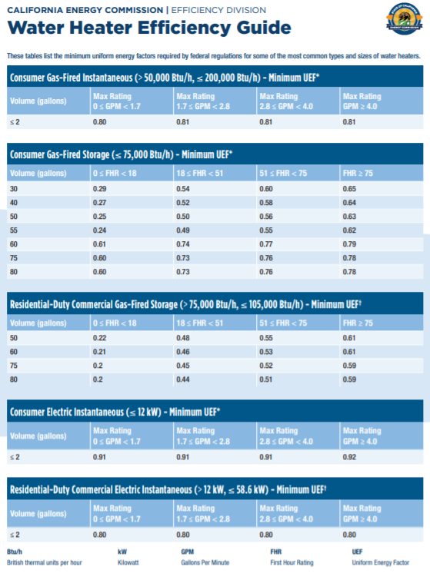
4 | 2.87
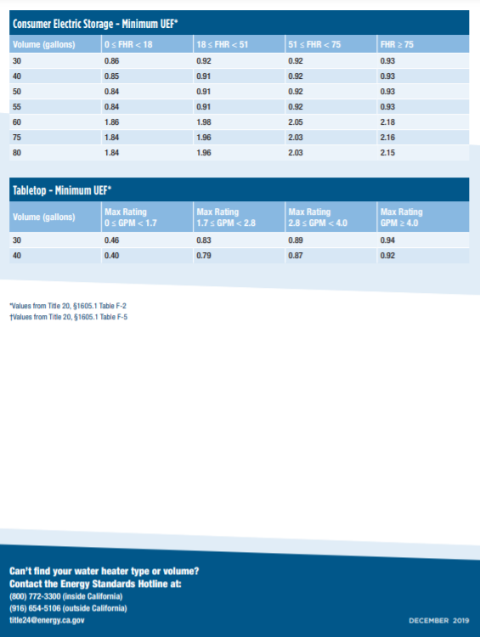
5 | 2.82
6 | 2.47 | << triggers exceptional condition note in Table D. Table D tab row 12
7 | 2.61
8 | 2.47
9 | 2.47
10 | 2.47
11 | 2.61
12 | 2.87
13 | 2.61
14 | 2.61
15 | 2.47
16 | 3

1

G. Dist Syst
G. DOMESTIC HOT WATER DISTRIBUTION SYSTEM
Table Instructions: Complete the following table to demonstrate compliance for nonresidential occupancies with distribution requirements in §120.3 and §140.5. For high-rise residential multifamily and hotel/motel occupancies, compliance is demonstrated with requirements in §110.3(c), §120.3 §160.4 and §150.0 §170.2(d), §150.1.
Recirculation Loops in Central Systems Serving Dwelling Units or Nonresidential Spaces
 | Yes | No | Not Applicable | Requirement
01 |  |  |  | Air release valve or verticle pump installation per §110.3(c)4A
02 |  |  |  | Check valve or similar located between recirculation pump and water heating equipment to prevent backflow per §110.3(c)4B
03 |  |  |  | Hose bibb installed between pump and equipment and isolation valve between hose bibb and equipment per §110.3(c)4C
04 |  |  |  | Isolation valves on both sides of the pump per §110.3(c)4D
05 |  |  |  | Cold water and recirculation loop piping shall not be connected to the hot water storage tank drain port per §110.3(c)4E
06 |  |  |  | Check valve installed on cold water supply between hot water system and next closest tee on cold water supply per §110.3(c)4F
07 |  |  |  | DWELLING UNITS ONLY: For central systems serving multiple dwelling units, design includes two or more a recirculation system loops serving separate dwelling units per §150.1(c)8Bii §170.2(d) unless building has < 8 dwelling units.
08 |  |  |  | DWELLING UNITS ONLY: For heat pump water heating systems, the hot water return from the recirculation loop shall connect to a recirculation loop tank and shall not directly connect to the primary heat pump water heater inlet or the primary thermal storage tanks per §170.2(d)2A.
09 |  |  |  | DWELLING UNITS ONLY: For heat pump water heating systems, the fuel source for the recirculation loop tank shall be electricity if auxiliary heating is needed. The recirculation loop heater shall be capable of multi-pass water heating operation per §170.2(d)2B.

Distribution in of Individual System(s) serving Dwelling Units
 | Yes | No | Not Applicable | Requirement
08 10 |  |  |  | The dwelling unit is designed to have fenestration products with a weighted average U-factor < 0.24 plus one of the following options per §150.1(c)8Aii: (New Construction Only) Single 240 volt heat pump water heaters serving dwelling units must also include systems with:
 |  |  |  | ¨ | Compact hot water distribution system field verified by a HERS Rater per as specified in Reference Appendix RA4.4.16 in climate zone 1 & 16; AND
 |  |  |  | ¨ | A drain water heat recovery system that is field verified by a HERS Rater per Reference Appendix RA3.6.9 in climate zone 16.
09 11 |  |  |  | One of the following options is included in the design per §150.1(c)8Aiv: (New Construction Only) A drain water heat recovery system that is field verified by a HERS Rater per Reference Appendix RA3.6.9 in climate zone 16.
 |  |  |  | ¨ | Compact hot water distribution system field verified by a HERS Rater per Reference Appendix RA4.4.6 and a drain water heat recovery system that is field verified by a HERS Rater per Reference Appendix RA3.6.9.
 |  |  |  | ¨ | A photovoltaic system capacity of 0.3 kWdc (for climate zones 2-15) or 1.1 kWdc (for climate zones 1 & 16) larger than the requirement specified in §150.1(c)14.
10 12 |  |  |  | One of the following options is included in the design per §150.1(c)8Av: (New Construction Only) For recirculation distribution systems serving individual dwelling units, only Demand Recirculation Systems with manual on/off control as specified in the Reference Appendix RA4.4.9 shall be used.
 |  |  |  | ¨ | Compact hot water distribution system per Reference Appendix RA4.4.6 for projects in climate zones 1 and 16.
 |  |  |  | ¨ | A photovoltaic system capacity of 0.3 kWdc (for climate zones 1 & 16) larger than the requirement specified in §150.1(c)14.
Mandatory Pipe Insulation All Occupancies
11 13 | ¨ | For systems serving dwelling units and common areas, pipe insulation must meet the minimum insulation requirements in Table 160.4-A (see below) except: - Piping that penetrates framing members shall not be required to have pipe insulation for the distance of the framing penetration. Piping that penetrates metal framing shall use grommets, plugs, wrapping or other insulating material to assure that no contact is made with the metal framing. Insulation shall abut securely against all framing members. - Piping installed in interior or exterior walls shall not be required to have pipe insulation if all of the requirements are met for compliance with Quality Insulation Installation (QII) as specified in the Reference Residential Appendix RA3.5. - Piping surrounded with a minimum of 1 inch of wall insulation, 2 inches of crawlspace insulation, or 4 inches of attic insulation, shall not be required to have pipe insulation. for the following applications is specified to have a minimum wall thickness of 1 in or a minimum R-value of 7.7 per §150.0(j)2A: - The first 5 ft of cold water pipes from storage tank - All hot water piping with nomial diameter of 3/4 in - 1 in - All hot water piping with nomial diameter < 3/4 in associated with DHW recirculation systems - Piping with nomial diameter < 3/4 from heating source to storage tank or btween tanks - Piping with nomial diameter < 3/4 buried below grade - All hot water pipes with nomial diameter < 3/4 from heating source to kitchen fixtures |  |  |  |  |  |  | << CEC, Gina is saying this exception only applies to low-rise (because QII), but the code doesn't specify that. Should we leave it in here available to Low and High-rise, even tho High-rise will likely not use it? Easier to leave it in & I think more technically correct.
12 14 | ¨ | For systems serving nonresidential spaces, pipe insulation for the following applications is specified to comply with Table 120.3-A (see below) per §120.3: - Recirculating system piping, including supply and return piping of the water heater - The first 8 ft of hot and cold outlet piping, including between storage tank and heat trap, for a nonrecirculating storage system - Pipes that are externally heated
13 15 | ¨ | Insulation shall be protected from damage, including that due to sunlight, moisture, equipment maintenance, and wind. Insulation exposed to weather shall be installed with a cover suitable for outdoor service per §120.3(b)/ §160.4(f). and §150.0(j)3 Pipe insulation buried below grade must be installed in a water proof and non-crushable casing or sleeve.
TABLE 120.3-A/ 160.4-A PIPE INSULATION THICKNESS
Fluid Temperature Range (oF) |  | Conductivity Range (Btu-in per hour per ft2 per oF) | Insulation Mean Rating Temp (oF) |  | Nominal Pipe Diameter (in)
 |  |  |  |  | < 1 | 1 to < 1.5 | 1.5 to < 4 | 1.5 to < 4 Multifamily & Hotel/Motel
 |  |  |  |  | Minimum Insulation Required
105-140 |  | 0.22-0.28 | 100 |  | 1.0 in or R-7.7 | 1.5 in or R-12.5 | 1.5 in or R-11 | 2 in or R-16

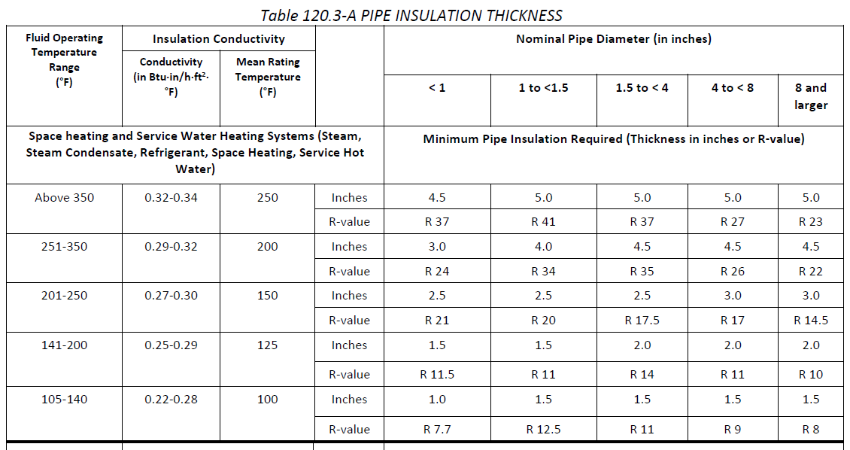

 |  |  |  |  |  |  |  |  | 160.4 for Multifamily & hotel/motel | Note this is different than NR^^

 | 120.3 for Nonresidential

Signature
?
DOCUMENTATION AUTHOR'S DECLARATION STATEMENT
Documentation Author Name: | Documentation Author Signature:
Company: | Signature Date:
Address: | CEA/ HERS Certification Identification (if applicable):
City/State/Zip: | Phone:
RESPONSIBLE PERSON'S DECLARATION STATEMENT I certify the following under penalty of perjury, under the laws of the State of California: 1. The information provided on this Certificate of Compliance is true and correct. 2. I am eligible under Division 3 of the Business and Professions Code to accept responsibility for the building design or system design identified on this Certificate of Compliance (responsible designer) 3. The energy features and performance specifications, materials, components, and manufactured devices for the building design or system design identified on this Certificate of Compliance conform to the requirements of Title 24, Part 1 and Part 6 of the California Code of Regulations. 4. The building design features or system design features identified on this Certificate of Compliance are consistent with the information provided on other applicable compliance documents, worksheets, calculations, plans and specifications submitted to the enforcement agency for approval with this building permit application. 5. I will ensure that a completed signed copy of this Certificate of Compliance shall be made available with the building permit(s) issued for the building, and made available to the enforcement agency for all applicable inspections. I understand that a completed signed copy of this Certificate of Compliance is required to be included with the documentation the builder provides to the building owner at occupancy.
Responsible Designer Name: | Responsible Designer Signature:
Company: | Date Signed:
Address: | License:
City/State/Zip: | Phone:

Tool Tip:
The compliance documentation is not complete until the Documentation Author and Responsible Designer fill out and sign the NRCC-PLB form.

